Mã hóa DES
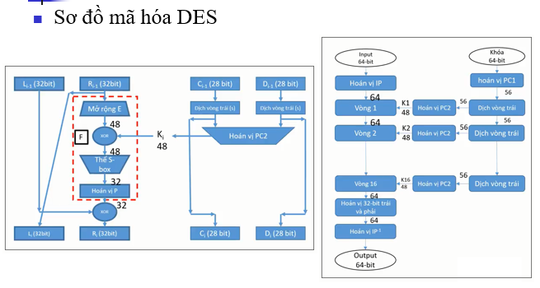
1. Lấy ra khóa K1 = PC2(C1D1) |  |  | 000110110000001011101111111111000111000001110010
(Khóa K được lấy từ Tab "Sinh Khóa K")
Byte | Byte | Hexan
1 | 00011011 | 1B
2 | 00000010 | 02
3 | 11101111 | EF
4 | 11111100 | FC
5 | 01110000 | 70
6 | 01110010 | 72

2.1 Đổi M sang hệ 2
Cho M = | 0123456789ABCDEF |  | 0000000100100011010001010110011110001001101010111100110111101111

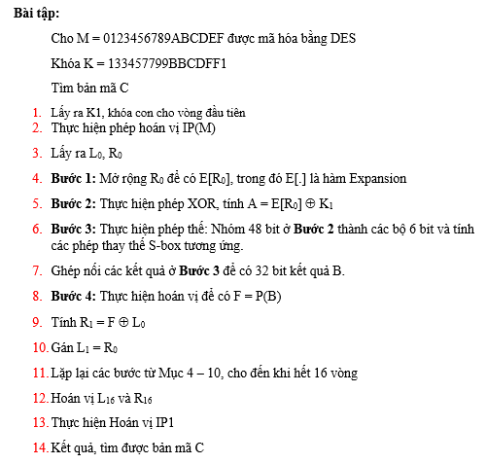
Vị trí | Ký tự Hexa | Binary
1 | 0 | 0000 | 0000000100100011010001010110011110001001101010111100110111101111
2 | 1 | 0001 | 000100100011010001010110011110001001101010111100110111101111
3 | 2 | 0010 | 00100011010001010110011110001001101010111100110111101111
4 | 3 | 0011 | 0011010001010110011110001001101010111100110111101111
5 | 4 | 0100 | 010001010110011110001001101010111100110111101111
6 | 5 | 0101 | 01010110011110001001101010111100110111101111
7 | 6 | 0110 | 0110011110001001101010111100110111101111
8 | 7 | 0111 | 011110001001101010111100110111101111
9 | 8 | 1000 | 10001001101010111100110111101111
10 | 9 | 1001 | 1001101010111100110111101111
11 | A | 1010 | 101010111100110111101111
12 | B | 1011 | 10111100110111101111
13 | C | 1100 | 1100110111101111
14 | D | 1101 | 110111101111
15 | E | 1110 | 11101111
16 | F | 1111

2.2 Thực hiện hoán vị IP(M)
 | Giá trị IP(M) = | 1100110000000000110011001111111111110000101010101111000010101010
Stt | IP | Bit
1 | 58 | 1 | 1100110000000000110011001111111111110000101010101111000010101010
2 | 50 | 1 | 100110000000000110011001111111111110000101010101111000010101010
3 | 42 | 0 | 00110000000000110011001111111111110000101010101111000010101010
4 | 34 | 0 | 0110000000000110011001111111111110000101010101111000010101010
5 | 26 | 1 | 110000000000110011001111111111110000101010101111000010101010
6 | 18 | 1 | 10000000000110011001111111111110000101010101111000010101010
7 | 10 | 0 | 0000000000110011001111111111110000101010101111000010101010
8 | 2 | 0 | 000000000110011001111111111110000101010101111000010101010
9 | 60 | 0 | 00000000110011001111111111110000101010101111000010101010
10 | 52 | 0 | 0000000110011001111111111110000101010101111000010101010
11 | 44 | 0 | 000000110011001111111111110000101010101111000010101010
12 | 36 | 0 | 00000110011001111111111110000101010101111000010101010
13 | 28 | 0 | 0000110011001111111111110000101010101111000010101010
14 | 20 | 0 | 000110011001111111111110000101010101111000010101010
15 | 12 | 0 | 00110011001111111111110000101010101111000010101010
16 | 4 | 0 | 0110011001111111111110000101010101111000010101010
17 | 62 | 1 | 110011001111111111110000101010101111000010101010
18 | 54 | 1 | 10011001111111111110000101010101111000010101010
19 | 46 | 0 | 0011001111111111110000101010101111000010101010
20 | 38 | 0 | 011001111111111110000101010101111000010101010
21 | 30 | 1 | 11001111111111110000101010101111000010101010
22 | 22 | 1 | 1001111111111110000101010101111000010101010
23 | 14 | 0 | 001111111111110000101010101111000010101010
24 | 6 | 0 | 01111111111110000101010101111000010101010
25 | 64 | 1 | 1111111111110000101010101111000010101010
26 | 56 | 1 | 111111111110000101010101111000010101010
27 | 48 | 1 | 11111111110000101010101111000010101010
28 | 40 | 1 | 1111111110000101010101111000010101010
29 | 32 | 1 | 111111110000101010101111000010101010
30 | 24 | 1 | 11111110000101010101111000010101010
31 | 16 | 1 | 1111110000101010101111000010101010
32 | 8 | 1 | 111110000101010101111000010101010
33 | 57 | 1 | 11110000101010101111000010101010
34 | 49 | 1 | 1110000101010101111000010101010
35 | 41 | 1 | 110000101010101111000010101010
36 | 33 | 1 | 10000101010101111000010101010
37 | 25 | 0 | 0000101010101111000010101010
38 | 17 | 0 | 000101010101111000010101010
39 | 9 | 0 | 00101010101111000010101010
40 | 1 | 0 | 0101010101111000010101010
41 | 59 | 1 | 101010101111000010101010
42 | 51 | 0 | 01010101111000010101010
43 | 43 | 1 | 1010101111000010101010
44 | 35 | 0 | 010101111000010101010
45 | 27 | 1 | 10101111000010101010
46 | 19 | 0 | 0101111000010101010
47 | 11 | 1 | 101111000010101010
48 | 3 | 0 | 01111000010101010
49 | 61 | 1 | 1111000010101010
50 | 53 | 1 | 111000010101010
51 | 45 | 1 | 11000010101010
52 | 37 | 1 | 1000010101010
53 | 29 | 0 | 000010101010
54 | 21 | 0 | 00010101010
55 | 13 | 0 | 0010101010
56 | 5 | 0 | 010101010
57 | 63 | 1 | 10101010
58 | 55 | 0 | 0101010
59 | 47 | 1 | 101010
60 | 39 | 0 | 01010
61 | 31 | 1 | 1010
62 | 23 | 0 | 010
63 | 15 | 1 | 10
64 | 7 | 0
3. Lấy L0, R0

Byte | Byte | Hexan |  | Nửa trái L0 = | 11001100000000001100110011111111
1 | 11001100 | CC |  | Nửa phải R0 = | 11110000101010101111000010101010
2 | 00000000 | 00
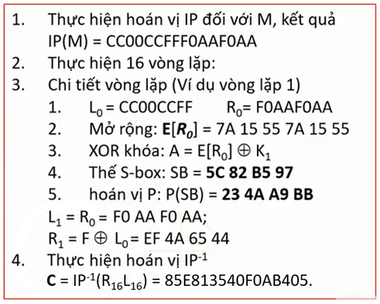
3 | 11001100 | CC |  | Byte | Byte | Hexan
4 | 11111111 | FF |  | 1 | 01111010 | 7A
5 | 11110000 | F0 |  | 2 | 00010101 | 15 | Kiểm tra E(R0)
6 | 10101010 | AA |  | 3 | 01010101 | 55
7 | 11110000 | F0 |  | 4 | 01111010 | 7A
8 | 10101010 | AA |  | 5 | 00010101 | 15
 |  |  |  | 6 | 01010101 | 55
4. Mở rộng R0 => E(R0)
Stt | E | Bit | E(R0) | 011110100001010101010101011110100001010101010101
1 | 32 | 0 | 011110100001010101010101011110100001010101010101
2 | 1 | 1 | 11110100001010101010101011110100001010101010101
3 | 2 | 1 | 1110100001010101010101011110100001010101010101
4 | 3 | 1 | 110100001010101010101011110100001010101010101
5 | 4 | 1 | 10100001010101010101011110100001010101010101
6 | 5 | 0 | 0100001010101010101011110100001010101010101
7 | 4 | 1 | 100001010101010101011110100001010101010101
8 | 5 | 0 | 00001010101010101011110100001010101010101
9 | 6 | 0 | 0001010101010101011110100001010101010101
10 | 7 | 0 | 001010101010101011110100001010101010101
11 | 8 | 0 | 01010101010101011110100001010101010101
12 | 9 | 1 | 1010101010101011110100001010101010101
13 | 8 | 0 | 010101010101011110100001010101010101
14 | 9 | 1 | 10101010101011110100001010101010101
15 | 10 | 0 | 0101010101011110100001010101010101
16 | 11 | 1 | 101010101011110100001010101010101
17 | 12 | 0 | 01010101011110100001010101010101
18 | 13 | 1 | 1010101011110100001010101010101
19 | 12 | 0 | 010101011110100001010101010101
20 | 13 | 1 | 10101011110100001010101010101
21 | 14 | 0 | 0101011110100001010101010101
22 | 15 | 1 | 101011110100001010101010101
23 | 16 | 0 | 01011110100001010101010101
24 | 17 | 1 | 1011110100001010101010101
25 | 16 | 0 | 011110100001010101010101
26 | 17 | 1 | 11110100001010101010101
27 | 18 | 1 | 1110100001010101010101
28 | 19 | 1 | 110100001010101010101
29 | 20 | 1 | 10100001010101010101
30 | 21 | 0 | 0100001010101010101
31 | 20 | 1 | 100001010101010101
32 | 21 | 0 | 00001010101010101
33 | 22 | 0 | 0001010101010101
34 | 23 | 0 | 001010101010101
35 | 24 | 0 | 01010101010101
36 | 25 | 1 | 1010101010101
37 | 24 | 0 | 010101010101
38 | 25 | 1 | 10101010101
39 | 26 | 0 | 0101010101
40 | 27 | 1 | 101010101
41 | 28 | 0 | 01010101
42 | 29 | 1 | 1010101
43 | 28 | 0 | 010101
44 | 29 | 1 | 10101
45 | 30 | 0 | 0101
46 | 31 | 1 | 101
47 | 32 | 0 | 01
48 | 1 | 1

5. Thực hiện phép XOR A=E(R0) XOR K1

Tính khóa K1 = PC2(C1D1) |  |  | 000110110000001011101111111111000111000001110010
 |  |  |  |  |  |  | Kiểm tra E(R0)
Byte | Byte | Hexan | Decimal |  |  | Byte | Byte | Hexan | Decimal
1 | 00011011 | 1B | 27 |  |  | 1 | 01111010 | 7A | 122
Hàm F (Feistel):
1. Mở rộng nửa phải:
E[R₀] = 7A 15 55 7A 15 55
2. Phép XOR khóa:
A = E[R₀] ⊕ K₁ = 61 17 BA 86 65 27
(K₁ là kết quả tính ở trên)
2 | 00000010 | 02 | 2 |  |  | 2 | 00010101 | 15 | 21
3 | 11101111 | EF | 239 |  |  | 3 | 01010101 | 55 | 85
4 | 11111100 | FC | 252 |  |  | 4 | 01111010 | 7A | 122
5 | 01110000 | 70 | 112 |  |  | 5 | 00010101 | 15 | 21
6 | 01110010 | 72 | 114 |  |  | 6 | 01010101 | 55 | 85

Byte | XOR(E(R0), K1) | Binary | Hexan
1 | 97 | 01100001 | 61
2 | 23 | 00010111 | 17
3 | 186 | 10111010 | BA
4 | 134 | 10000110 | 86
5 | 101 | 01100101 | 65
6 | 39 | 00100111 | 27

 | A = XOR(E(R0), K1) = | 011000010001011110111010100001100110010100100111

 |  |  | Hàng = bit đầu + bit cuối
6. Thực hiện phép thế: |  |  | Cột = 4 bit giữa |  |  | Chỉ số mảng = Hàng *16 + cột

Cặp 6 bit | Bit | Hàng | Cột | Ghép H+C | Chỉ số mảng | Tra bảng S | Hex | Binary
1 | 011000 | 00 | 1100 | 001100 | 12 | 5 | 5 | 0101
2 | 010001 | 01 | 1000 | 011000 | 24 | 12 | C | 1100 | 01011100
3 | 011110 | 00 | 1111 | 001111 | 15 | 8 | 8 | 1000 | 010111001000
4 | 111010 | 10 | 1101 | 101101 | 45 | 2 | 2 | 0010 | 0101110010000010
5 | 100001 | 11 | 0000 | 110000 | 48 | 11 | B | 1011 | 01011100100000101011
6 | 100110 | 10 | 0011 | 100011 | 35 | 5 | 5 | 0101 | 010111001000001010110101
7 | 010100 | 00 | 1010 | 001010 | 10 | 9 | 9 | 1001 | 0101110010000010101101011001
8 | 100111 | 11 | 0011 | 110011 | 51 | 7 | 7 | 0111 | 01011100100000101011010110010111
Hộp S-Box
Chỉ số | S1 | S2 | S3 | S4 | S5 | S6 | S7 | S8
0 | 4 | 15 | 10 | 7 | 2 | 12 | 4 | 13
1 | 4 | 1 | 0 | 13 | 12 | 1 | 11 | 2
2 | 13 | 8 | 9 | 14 | 4 | 10 | 2 | 8
3 | 1 | 14 | 14 | 3 | 1 | 15 | 14 | 4
4 | 2 | 6 | 6 | 0 | 7 | 9 | 15 | 6
5 | 15 | 11 | 3 | 6 | 10 | 2 | 0 | 15
6 | 11 | 3 | 15 | 9 | 11 | 6 | 8 | 11
7 | 8 | 4 | 5 | 10 | 6 | 8 | 13 | 1
8 | 3 | 9 | 1 | 1 | 8 | 0 | 3 | 10
9 | 10 | 7 | 13 | 2 | 5 | 13 | 12 | 9
10 | 6 | 2 | 12 | 8 | 3 | 3 | 9 | 3
11 | 12 | 13 | 7 | 5 | 15 | 4 | 7 | 14
12 | 5 | 12 | 11 | 11 | 13 | 14 | 5 | 5
13 | 9 | 0 | 4 | 12 | 0 | 7 | 10 | 0
14 | 0 | 5 | 2 | 4 | 14 | 5 | 6 | 12
15 | 7 | 10 | 8 | 15 | 9 | 11 | 1 | 7
16 | 0 | 3 | 13 | 13 | 14 | 10 | 13 | 1
17 | 15 | 13 | 7 | 8 | 11 | 15 | 0 | 15
18 | 7 | 4 | 0 | 11 | 2 | 4 | 11 | 13
19 | 4 | 7 | 9 | 5 | 12 | 2 | 7 | 8
20 | 14 | 15 | 3 | 6 | 4 | 7 | 4 | 10
21 | 2 | 2 | 4 | 15 | 7 | 12 | 9 | 3
22 | 13 | 8 | 6 | 0 | 13 | 9 | 1 | 7
23 | 1 | 14 | 10 | 3 | 1 | 5 | 10 | 4
24 | 10 | 12 | 2 | 4 | 5 | 6 | 14 | 12
25 | 6 | 0 | 8 | 7 | 0 | 1 | 3 | 5
26 | 12 | 1 | 5 | 2 | 15 | 13 | 5 | 6
27 | 11 | 10 | 14 | 12 | 10 | 14 | 12 | 11
28 | 9 | 6 | 12 | 1 | 3 | 0 | 2 | 0
29 | 5 | 9 | 11 | 10 | 9 | 11 | 15 | 14
30 | 3 | 11 | 15 | 14 | 8 | 3 | 8 | 9
31 | 8 | 5 | 1 | 9 | 6 | 8 | 6 | 2
32 | 4 | 0 | 13 | 0 | 4 | 9 | 1 | 7
33 | 1 | 14 | 6 | 6 | 2 | 14 | 4 | 11
34 | 14 | 7 | 4 | 9 | 1 | 15 | 11 | 4
35 | 8 | 11 | 9 | 0 | 11 | 5 | 13 | 1
36 | 13 | 10 | 8 | 12 | 10 | 2 | 12 | 9
37 | 6 | 4 | 15 | 11 | 13 | 8 | 3 | 12
38 | 2 | 13 | 3 | 7 | 7 | 12 | 7 | 14
39 | 11 | 1 | 0 | 13 | 8 | 3 | 14 | 2
40 | 15 | 5 | 11 | 15 | 15 | 7 | 10 | 0
41 | 12 | 8 | 1 | 1 | 9 | 0 | 15 | 6
42 | 9 | 12 | 2 | 3 | 12 | 4 | 6 | 10
43 | 7 | 6 | 12 | 14 | 5 | 10 | 8 | 13
44 | 3 | 9 | 15 | 5 | 6 | 1 | 0 | 15
45 | 10 | 3 | 10 | 2 | 3 | 13 | 5 | 3
46 | 5 | 2 | 14 | 8 | 0 | 11 | 9 | 5
47 | 0 | 15 | 7 | 4 | 14 | 6 | 2 | 8
48 | 15 | 13 | 1 | 3 | 11 | 4 | 6 | 2
49 | 12 | 8 | 10 | 15 | 8 | 3 | 11 | 1
50 | 8 | 10 | 13 | 0 | 12 | 2 | 13 | 14
51 | 2 | 1 | 0 | 6 | 7 | 12 | 8 | 7
52 | 4 | 3 | 6 | 10 | 1 | 9 | 1 | 4
53 | 9 | 15 | 9 | 1 | 14 | 5 | 4 | 10
54 | 1 | 4 | 8 | 13 | 2 | 15 | 10 | 8
55 | 7 | 2 | 7 | 8 | 13 | 10 | 7 | 13
56 | 5 | 11 | 4 | 9 | 6 | 11 | 9 | 15
57 | 11 | 6 | 15 | 4 | 15 | 14 | 5 | 12
58 | 3 | 7 | 14 | 5 | 0 | 1 | 0 | 9
59 | 14 | 12 | 3 | 11 | 9 | 7 | 15 | 0
60 | 10 | 0 | 11 | 12 | 10 | 6 | 14 | 3
61 | 0 | 5 | 5 | 7 | 4 | 0 | 2 | 5
62 | 6 | 14 | 2 | 2 | 5 | 8 | 3 | 6
63 | 13 | 9 | 12 | 14 | 3 | 13 | 12 | 11

7. Ghép nối các kết quả: |  | B = | 01011100100000101011010110010111

8. Thực hiện hoán vị để có F = P(B) = |  |  | 00100011010010101010100110111011
Stt | P | Bit
32 | 25 | 1 | 00100011010010101010100110111011

Byte | Byte | Hexan | Dec |  |  | Byte | Byte | Hexan | Dec
1 | 00100011 | 23 | 35 |  |  | 1 | 11001100 | CC | 204
2 | 01001010 | 4A | 74 |  |  | 2 | 00000000 | 00 | 0
3 | 10101001 | A9 | 169 |  |  | 3 | 11001100 | CC | 204
4 | 10111011 | BB | 187 |  |  | 4 | 11111111 | FF | 255

9. Tính R1 = F XOR L0

 | Nửa trái L0 = | 11001100000000001100110011111111

 |  | Byte | XOR | Hexan
 |  | 1 | 239 | EF
 |  | 2 | 74 | 4A
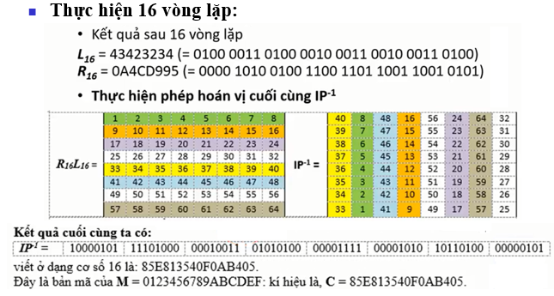
 |  | 3 | 101 | 65
 |  | 4 | 68 | 44

10. Đặt L1=R0
 | Nửa phải R0 = | 11110000101010101111000010101010
 | L1= | 11110000101010101111000010101010

11. Lặp lại các bước trên để tính hết vòng 16

12. Hoán vị L16 và R16

13. Hoán vị IP-1

14. Kết quả có bản mã C: |  | 85E813540F0AB405

Sinh khóa K
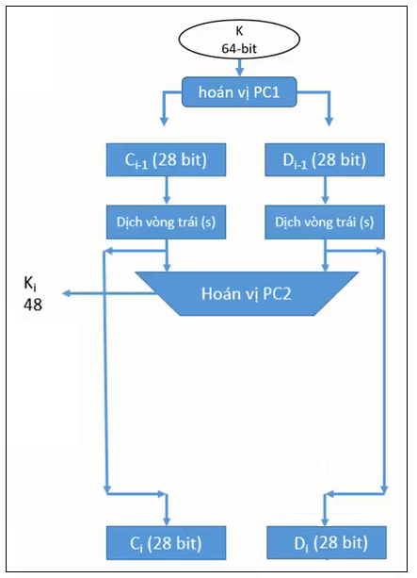
Đổi khóa K sang hệ 2
Khóa K: | 133457799BBCDFF1
Vị trí | Ký tự Hexa | Binary
1 | 1 | 0001 | 0001001100110100010101100111100110011011101111001101111111110001
2 | 3 | 0011 | 001100110100010101100111100110011011101111001101111111110001
3 | 3 | 0011 | 00110100010101100111100110011011101111001101111111110001
4 | 4 | 0100 | 0100010101100111100110011011101111001101111111110001
5 | 5 | 0101 | 010101100111100110011011101111001101111111110001
6 | 6 | 0110 | 01100111100110011011101111001101111111110001
7 | 7 | 0111 | 0111100110011011101111001101111111110001
8 | 9 | 1001 | 100110011011101111001101111111110001
9 | 9 | 1001 | 10011011101111001101111111110001
10 | B | 1011 | 1011101111001101111111110001
11 | B | 1011 | 101111001101111111110001
12 | C | 1100 | 11001101111111110001
13 | D | 1101 | 1101111111110001
14 | F | 1111 | 111111110001
15 | F | 1111 | 11110001
16 | 1 | 0001

Tính hoán vị PC1K
 |  | PC1K = 11110000 110001100 10101010 11110101 01010110 01100111 10001111 = F0 CC AA F5 56 67 8F
 |  | PC1 = | 11110000110011001010101011110101010101100110011110001111
Stt | Vị trí | Bit i |  |  |  |  |  |  |  | Có 7 Byte sau khi tính được PC1
1 | 57 | 1 | 11110000110011001010101011110101010101100110011110001111 |  |  |  |  |  |  | Byte | Byte | Hexan
2 | 49 | 1 | 1110000110011001010101011110101010101100110011110001111 |  |  |  |  |  |  | 1 | 11110000 | F0
3 | 41 | 1 | 110000110011001010101011110101010101100110011110001111 |  |  |  |  |  |  | 2 | 11001100 | CC
4 | 33 | 1 | 10000110011001010101011110101010101100110011110001111 |  |  |  |  |  |  | 3 | 10101010 | AA
5 | 25 | 0 | 0000110011001010101011110101010101100110011110001111 |  |  |  |  |  |  | 4 | 11110101 | F5
6 | 17 | 0 | 000110011001010101011110101010101100110011110001111 |  |  |  |  |  |  | 5 | 01010110 | 56
7 | 9 | 0 | 00110011001010101011110101010101100110011110001111 |  |  |  |  |  |  | 6 | 01100111 | 67
8 | 1 | 0 | 0110011001010101011110101010101100110011110001111 |  |  |  |  |  |  | 7 | 10001111 | 8F
9 | 58 | 1 | 110011001010101011110101010101100110011110001111
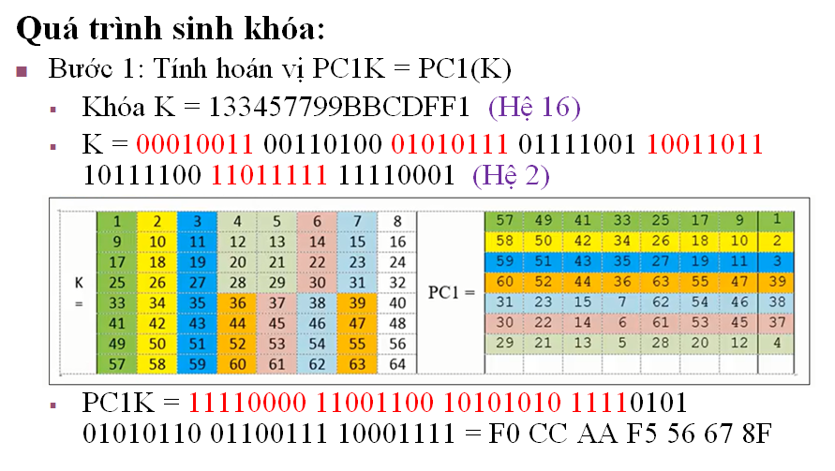
10 | 50 | 1 | 10011001010101011110101010101100110011110001111
11 | 42 | 0 | 0011001010101011110101010101100110011110001111
12 | 34 | 0 | 011001010101011110101010101100110011110001111
13 | 26 | 1 | 11001010101011110101010101100110011110001111
14 | 18 | 1 | 1001010101011110101010101100110011110001111
15 | 10 | 0 | 001010101011110101010101100110011110001111
16 | 2 | 0 | 01010101011110101010101100110011110001111
17 | 59 | 1 | 1010101011110101010101100110011110001111
18 | 51 | 0 | 010101011110101010101100110011110001111
19 | 43 | 1 | 10101011110101010101100110011110001111
20 | 35 | 0 | 0101011110101010101100110011110001111
21 | 27 | 1 | 101011110101010101100110011110001111
22 | 19 | 0 | 01011110101010101100110011110001111
23 | 11 | 1 | 1011110101010101100110011110001111
24 | 3 | 0 | 011110101010101100110011110001111
25 | 60 | 1 | 11110101010101100110011110001111
26 | 52 | 1 | 1110101010101100110011110001111
27 | 44 | 1 | 110101010101100110011110001111
28 | 36 | 1 | 10101010101100110011110001111
29 | 63 | 0 | 0101010101100110011110001111
30 | 55 | 1 | 101010101100110011110001111
31 | 47 | 0 | 01010101100110011110001111
32 | 39 | 1 | 1010101100110011110001111
33 | 31 | 0 | 010101100110011110001111
34 | 23 | 1 | 10101100110011110001111
35 | 15 | 0 | 0101100110011110001111
36 | 7 | 1 | 101100110011110001111
37 | 62 | 0 | 01100110011110001111
38 | 54 | 1 | 1100110011110001111
39 | 46 | 1 | 100110011110001111
40 | 38 | 0 | 00110011110001111
41 | 30 | 0 | 0110011110001111
42 | 22 | 1 | 110011110001111
43 | 14 | 1 | 10011110001111
44 | 6 | 0 | 0011110001111
45 | 61 | 0 | 011110001111
46 | 53 | 1 | 11110001111
47 | 45 | 1 | 1110001111
48 | 37 | 1 | 110001111
49 | 29 | 1 | 10001111
50 | 21 | 0 | 0001111
51 | 13 | 0 | 001111
52 | 5 | 0 | 01111
53 | 28 | 1 | 1111
54 | 20 | 1 | 111
55 | 12 | 1 | 11
56 | 4 | 1

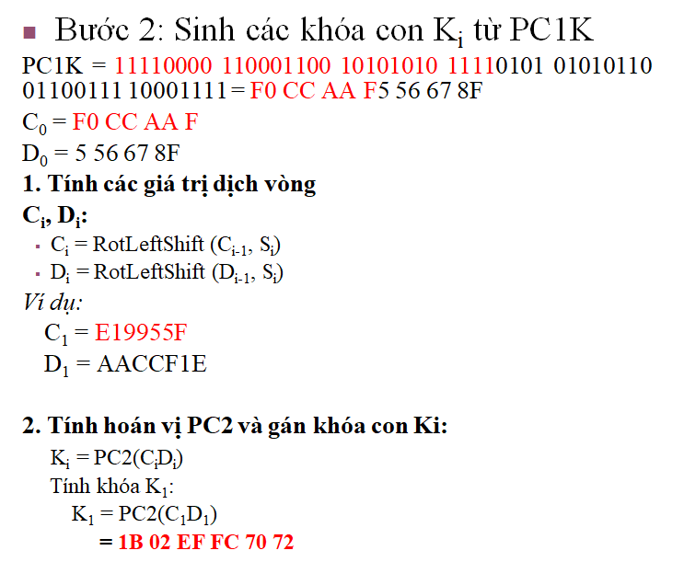
SINH CÁC KHÓA CON Ki TỪ PC1K
1. Tính các giá trị dịch vòng

PC1K = | 11110000110011001010101011110101010101100110011110001111

Byte | Byte | Hexan |  | C0 = | 1111000011001100101010101111 |  |  |  | i | Si
1 | 11110000 | F0 |  | D0 = | 0101010101100110011110001111 |  |  |  | 1 | 1
2 | 11001100 | CC |  |  |  |  |  |  | 2 | 1
3 | 10101010 | AA |  | C1 = LeftShift(C0, S1) |  |  |  |  | 3 | 2
4 | 11110101 | F5 |  | D1 = LeftShift(D0, S1) |  |  |  |  | 4 | 2
5 | 01010110 | 56 |  |  |  |  |  |  | 5 | 2
6 | 01100111 | 67 |  | C0 = | 1111000011001100101010101111 |  |  |  | 6 | 2
7 | 10001111 | 8F |  | C1 = | 1110000110011001010101011111 |  |  |  | 7 | 2
 |  |  |  |  |  |  |  |  | 8 | 2
 |  |  |  | D0 = | 0101010101100110011110001111 |  |  |  | 9 | 1
 |  |  |  | D1 = | 1010101011001100111100011110 |  |  |  | 10 | 2
 |  |  |  |  |  |  |  |  | 11 | 2
 |  |  | C1 |  |  |  | D1 |  | 12 | 2
 |  | Byte | Byte | Hexan |  | Byte | Byte | Hexan | 13 | 2
 |  | 1 | 11100001 | E1 |  | 1 | 10101010 | AA | 14 | 2
 |  | 2 | 10011001 | 99 |  | 2 | 11001100 | CC | 15 | 2
 |  | 3 | 01010101 | 55 |  | 3 | 11110001 | F1 | 16 | 1
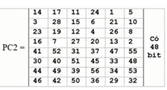
 |  | 4 | 1111 | F |  | 4 | 1110 | E

2. Tính khóa K1 = PC2(C1D1) |  |  | 000110110000001011101111111111000111000001110010
 | C1D1 (ghép lại) = | 11100001100110010101010111111010101011001100111100011110

Stt | PC2 | Bit
1 | 14 | 0 | 000110110000001011101111111111000111000001110010
2 | 17 | 0 | 00110110000001011101111111111000111000001110010
3 | 11 | 0 | 0110110000001011101111111111000111000001110010
4 | 24 | 1 | 110110000001011101111111111000111000001110010
5 | 1 | 1 | 10110000001011101111111111000111000001110010 |  |  |  |  |  | Byte | Byte | Hexan
6 | 5 | 0 | 0110000001011101111111111000111000001110010 |  |  |  |  |  | 1 | 00011011 | 1B
7 | 3 | 1 | 110000001011101111111111000111000001110010 |  |  |  |  |  | 2 | 00000010 | 02
8 | 28 | 1 | 10000001011101111111111000111000001110010 |  |  |  |  |  | 3 | 11101111 | EF
9 | 15 | 0 | 0000001011101111111111000111000001110010 |  |  |  |  |  | 4 | 11111100 | FC
10 | 6 | 0 | 000001011101111111111000111000001110010 |  |  |  |  |  | 5 | 01110000 | 70
11 | 21 | 0 | 00001011101111111111000111000001110010 |  |  |  |  |  | 6 | 01110010 | 72
12 | 10 | 0 | 0001011101111111111000111000001110010
13 | 23 | 0 | 001011101111111111000111000001110010 |  |  |  |  |  | Kiểm tra khóa K1
14 | 19 | 0 | 01011101111111111000111000001110010
15 | 12 | 1 | 1011101111111111000111000001110010
16 | 4 | 0 | 011101111111111000111000001110010
17 | 26 | 1 | 11101111111111000111000001110010
18 | 8 | 1 | 1101111111111000111000001110010
19 | 16 | 1 | 101111111111000111000001110010
20 | 7 | 0 | 01111111111000111000001110010
21 | 27 | 1 | 1111111111000111000001110010
22 | 20 | 1 | 111111111000111000001110010
23 | 13 | 1 | 11111111000111000001110010
24 | 2 | 1 | 1111111000111000001110010
25 | 41 | 1 | 111111000111000001110010
26 | 52 | 1 | 11111000111000001110010
27 | 31 | 1 | 1111000111000001110010
28 | 37 | 1 | 111000111000001110010
29 | 47 | 1 | 11000111000001110010
30 | 55 | 1 | 1000111000001110010
31 | 30 | 0 | 000111000001110010
32 | 40 | 0 | 00111000001110010
33 | 51 | 0 | 0111000001110010
34 | 45 | 1 | 111000001110010
35 | 33 | 1 | 11000001110010
36 | 48 | 1 | 1000001110010
37 | 44 | 0 | 000001110010
38 | 49 | 0 | 00001110010
39 | 39 | 0 | 0001110010
40 | 56 | 0 | 001110010
41 | 34 | 0 | 01110010
42 | 53 | 1 | 1110010
43 | 46 | 1 | 110010
44 | 42 | 1 | 10010
45 | 50 | 0 | 0010
46 | 36 | 0 | 010
47 | 29 | 1 | 10
48 | 32 | 0

